Sheet1
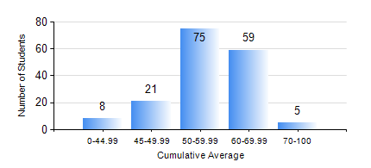
 |  |  | KWAME NKRUMAH UNIVERSITY OF SCIENCE AND TECHNOLOGY, KUMASI Department of Agricultural and Biosystems Engineering

 |  |  | BSC. AGRICULTURAL ENG.

 |  |  | COMPREHENSIVE RECORD OF EXAMINATION RESULTS

 |  |  | RESULTS OF YEAR 3 SECOND SEMESTER, 2022/2023 ACADEMIC YEAR

 | Sn | Course Code |  | Course Name | Credit Hours | Min. Mark | Max. Mark | Avg. Mark | Std. Dev. | No. Passed | No. Trailed | No. (Df) | No. (I) | No. (I*) | No. Tagged(I,I*,Df) | Total
 | 0. |  |  |  |  |  |  | 0 | 0 | 0 | 0 | 0 | 0 | 0 | 0 | 9
 | 1. | AE 352 |  | SOIL MECHANICS APPLICATION TO MECHANISATION | 2 | 17 | 87 | 64 | 10.14 | 158 | 1 | 0 | 0 | 0 | 0 | 159
 | 2. | AE 356 |  | FARM POWER AND MACHINERY | 3 | 8 | 86 | 59 | 12.5 | 156 | 3 | 0 | 0 | 0 | 0 | 159
 | 3. | AE 358 |  | RENEWABLE ENERGY SYSTEMS AND MANAGEMENT | 3 | 20 | 85 | 67 | 9.67 | 158 | 1 | 0 | 0 | 0 | 0 | 159
 | 4. | AE 360 |  | RURAL ENGINEERING | 2 | 12 | 83 | 54 | 14.57 | 139 | 20 | 0 | 0 | 0 | 0 | 159
 | 5. | AE 362 |  | RESEARCH METHODS FOR ENGINEERS | 2 | 14 | 83 | 58 | 12.01 | 155 | 4 | 0 | 0 | 0 | 0 | 159
 | 6. | ME 366 |  | HEAT TRANSFER | 3 | 21 | 82 | 56 | 9.81 | 158 | 1 | 0 | 0 | 0 | 0 | 159
 | 7. | ME 374 |  | MACHINE DESIGN II | 3 | 22 | 93 | 55 | 16.06 | 146 | 13 | 0 | 0 | 0 | 0 | 159
 | 8. | ME 376 |  | INTRODUCTION TO CAD/CAM | 3 | 16 | 81 | 50 | 11.68 | 149 | 10 | 0 | 0 | 0 | 0 | 159

